Sheet2
Layer |  | Protocol data unit (PDU) | Function[3] | Examples
Host | 7. Application | Data | High-level APIs, including resource sharing, remote file access, directory servicesand virtual terminals | TLS, FTP, HTTP, HTTPS, SMTP, SSH, Telnet
layers | 6. Presentation |  | Translation of data between a networking service and an application; includingcharacter encoding, data compression and encryption/decryption | CSS, GIF, HTML, XML, JSON, S/MIME, | 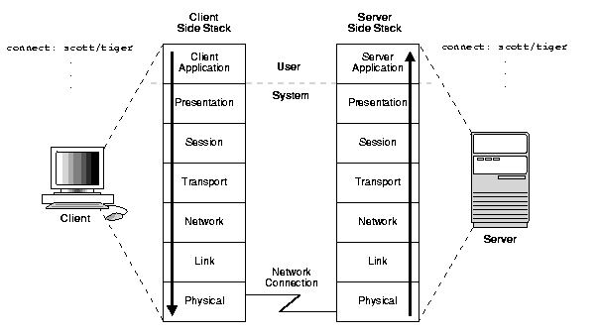
 | 5. Session |  | Managing communication sessions, i.e. continuous exchange of information in the form of multiple back-and-forth transmissions between two nodes | RPC, SCP, NFS, PAP,
 | 4. Transport | Segment (TCP) / Datagram (UDP) | Reliable transmission of data segments between points on a network, includingsegmentation, acknowledgement and multiplexing | NBF, TCP, UDP
Media | 3. Network | Packet | Structuring and managing a multi-node network, including addressing, routing andtraffic control | AppleTalk, ICMP, IPsec, IPv4, IPv6
layers | 2. Data link | Frame | Reliable transmission of data frames between two nodes connected by a physical layer | IEEE 802.2, L2TP, LLDP, MAC, PPP, ATM, MPLS
 | 1. Physical | Bit | Transmission and reception of raw bit streams over a physical medium | DOCSIS, DSL, Ethernet physical layer, ISDN, USB

